intra charges
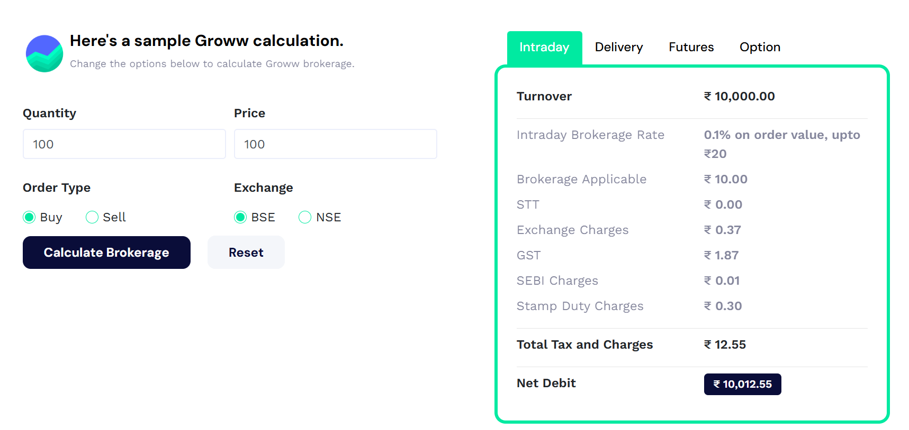

delivery charges
BUY | NSE | SELL | NSE | TOTAL

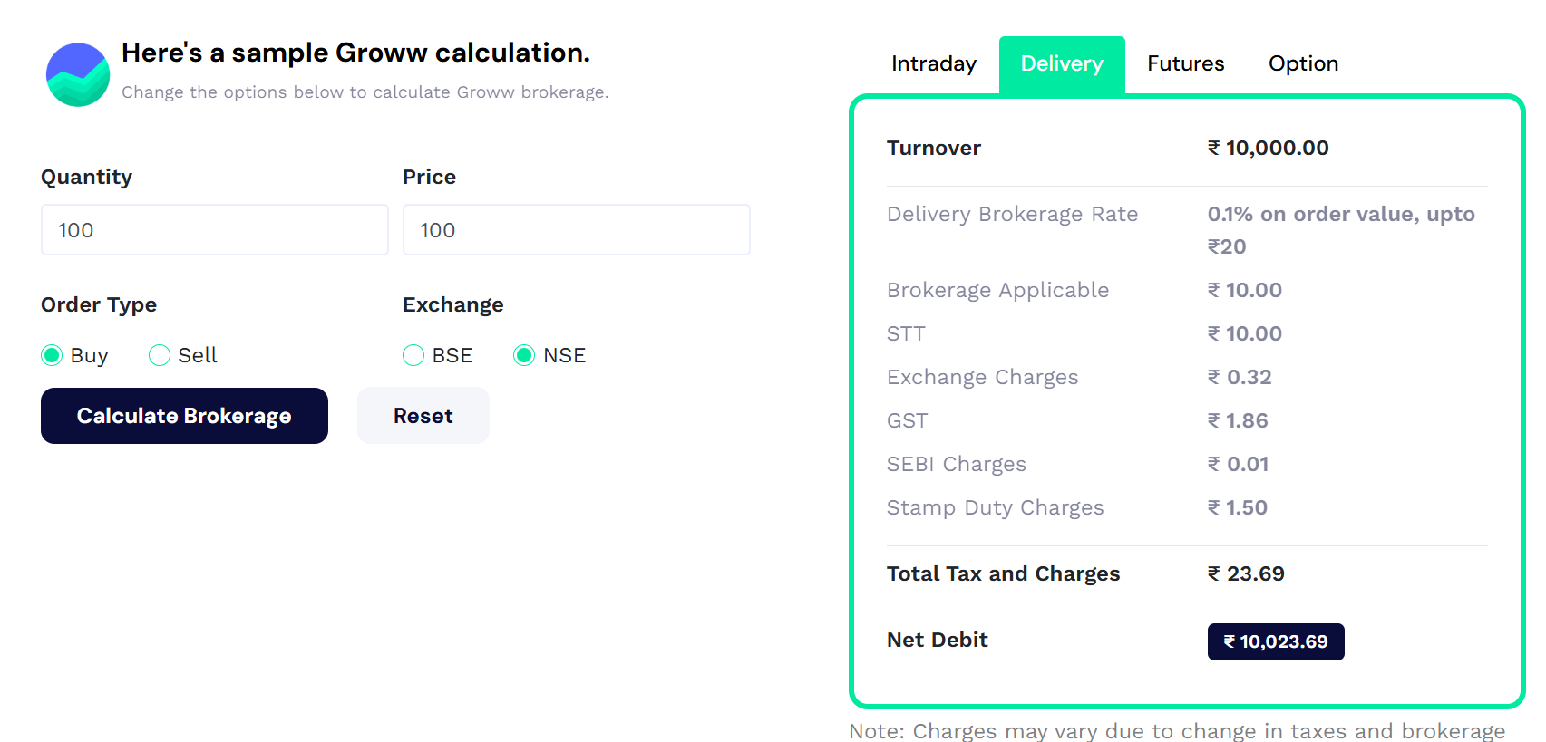
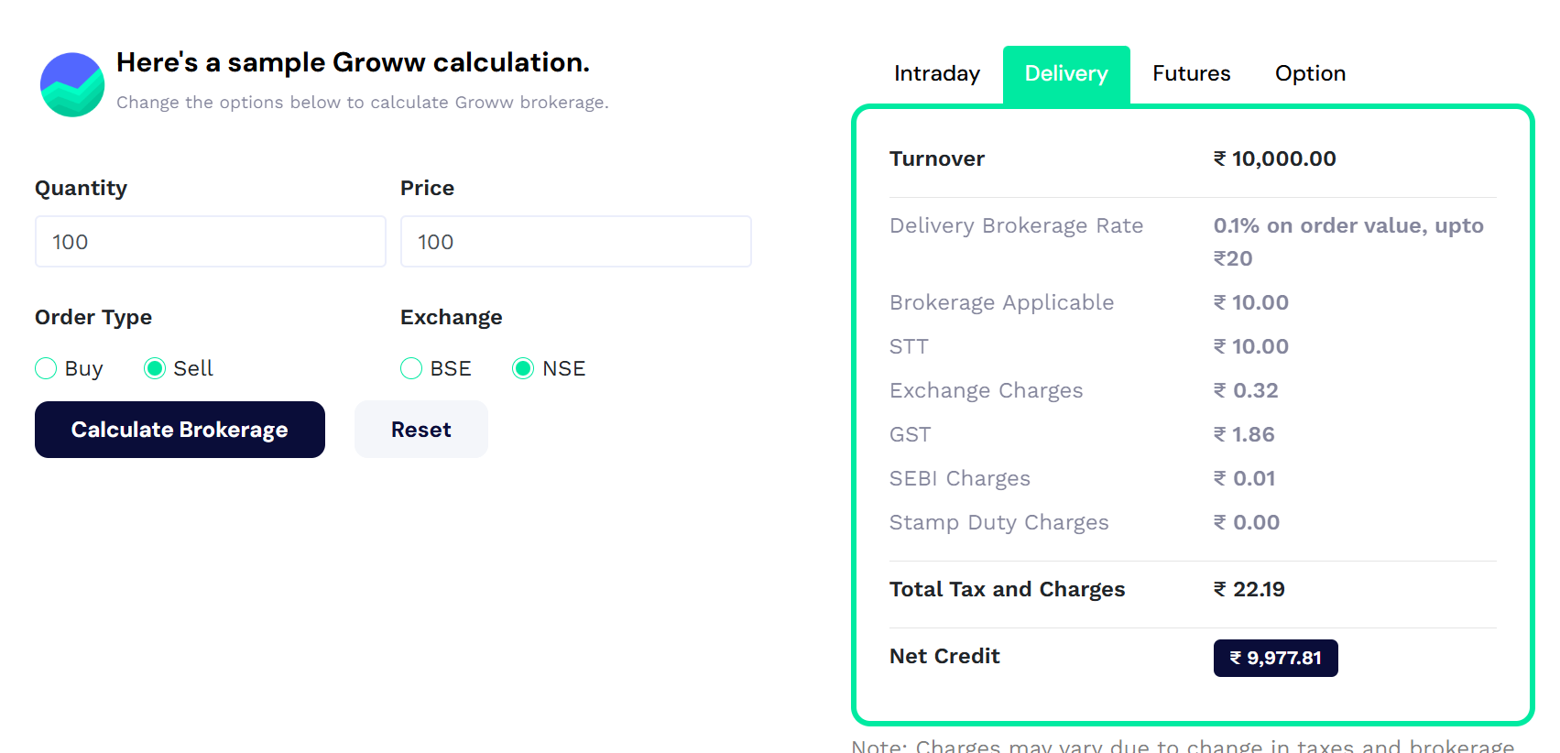
 |  |  |  | 23.69
 |  |  |  | 22.19
 |  |  |  | 45.88

Future Charges
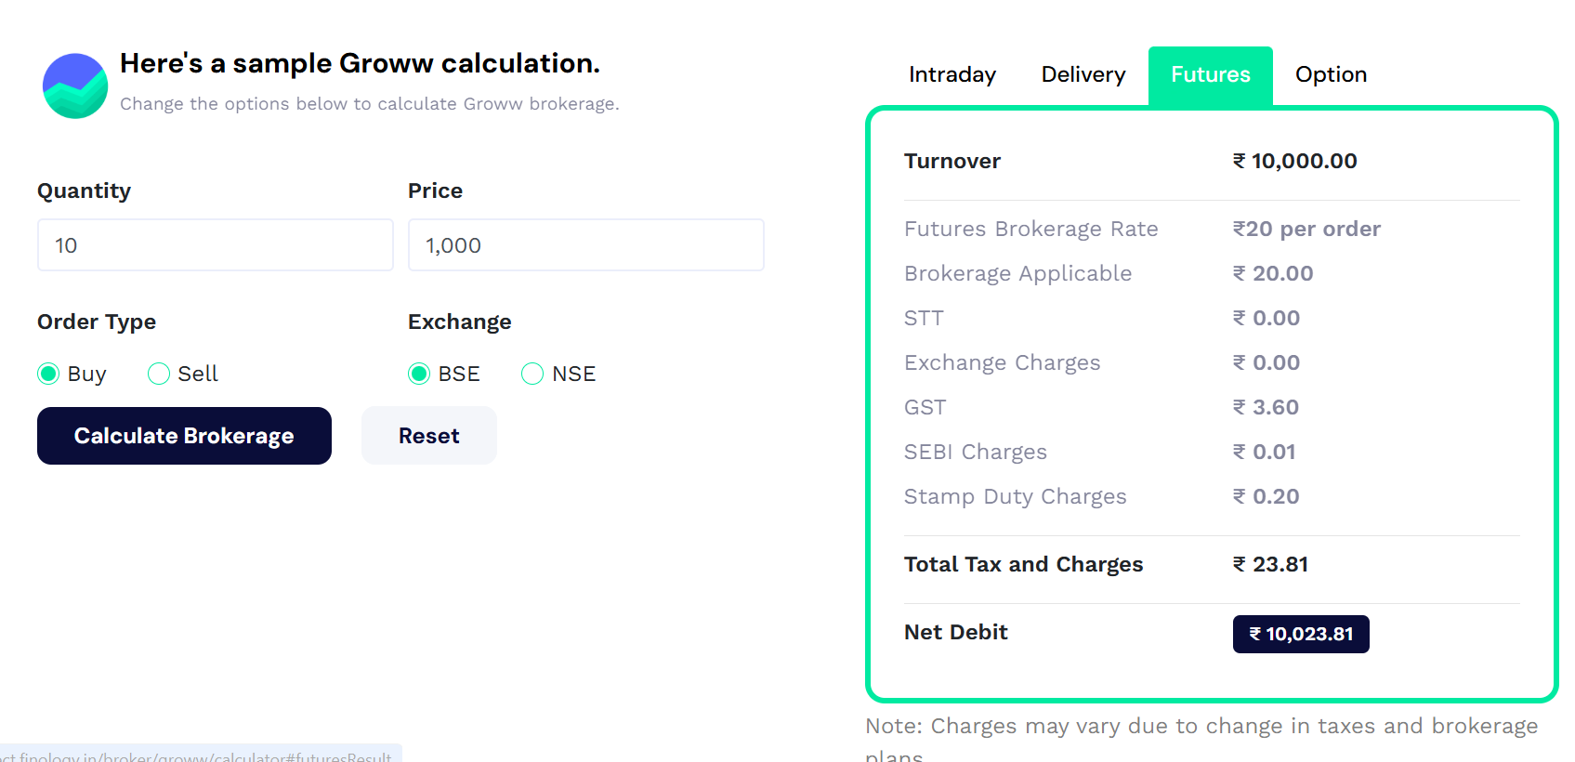

Option Charges
